Cost Review Chart
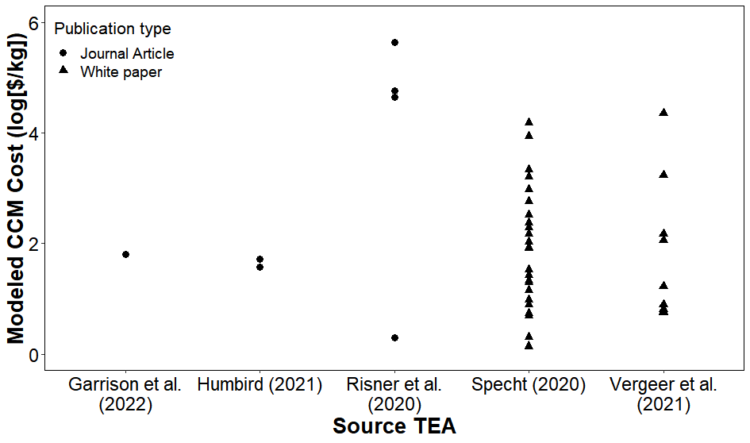
Source | Source_i | $/kg | log(cost) | Type
Vergeer a | Vergeer et al. (2021) | $22,423.00 | $4.35 | White paper
Vergeer b | Vergeer et al. (2021) | $1,707.00 | $3.23 | White paper
Vergeer c | Vergeer et al. (2021) | $149.00 | $2.17 | White paper
Vergeer d | Vergeer et al. (2021) | $116.00 | $2.06 | White paper
Vergeer e | Vergeer et al. (2021) | $17.00 | $1.23 | White paper
Vergeer f | Vergeer et al. (2021) | $8.00 | $0.90 | White paper
Vergeer g | Vergeer et al. (2021) | $6.52 | $0.81 | White paper
Vergeer h | Vergeer et al. (2021) | $5.74 | $0.76 | White paper
Vergeer i | Vergeer et al. (2021) | $5.66 | $0.75 | White paper
Risner a | Risner et al. (2020) | $437,000.00 | $5.64 | Journal Article
Risner b | Risner et al. (2020) | $57,200.00 | $4.76 | Journal Article
Risner c | Risner et al. (2020) | $44,600.00 | $4.65 | Journal Article
Risner d | Risner et al. (2020) | $1.95 | $0.29 | Journal Article
Specht | Specht (2018) | $15,072.00 | $4.18 | White paper
Specht | Specht (2018) | $1,637.60 | $3.21 | White paper
Specht | Specht (2018) | $581.60 | $2.76 | White paper
Specht | Specht (2018) | $188.40 | $2.28 | White paper
Specht | Specht (2018) | $149.60 | $2.17 | White paper
Specht | Specht (2018) | $34.00 | $1.53 | White paper
Specht | Specht (2018) | $14.00 | $1.15 | White paper
Specht | Specht (2018) | $9.60 | $0.98 | White paper
Specht | Specht (2018) | $8,612.57 | $3.94 | White paper
Specht | Specht (2018) | $935.77 | $2.97 | White paper
Specht | Specht (2018) | $332.34 | $2.52 | White paper
Specht | Specht (2018) | $107.66 | $2.03 | White paper
Specht | Specht (2018) | $85.49 | $1.93 | White paper
Specht | Specht (2018) | $19.45 | $1.29 | White paper
Specht | Specht (2018) | $8.00 | $0.90 | White paper
Specht | Specht (2018) | $5.49 | $0.74 | White paper
Specht | Specht (2018) | $2,153.14 | $3.33 | White paper
Specht | Specht (2018) | $233.94 | $2.37 | White paper
Specht | Specht (2018) | $83.09 | $1.92 | White paper
Specht | Specht (2018) | $26.91 | $1.43 | White paper
Specht | Specht (2018) | $21.37 | $1.33 | White paper
Specht | Specht (2018) | $4.86 | $0.69 | White paper
Specht | Specht (2018) | $2.00 | $0.30 | White paper
Specht | Specht (2018) | $1.37 | $0.14 | White paper
Humbird a | Humbird (2021) | $37.00 | $1.57 | Journal Article
Humbird b | Humbird (2021) | $51.00 | $1.71 | Journal Article
Garrison | Garrison et al. (2022) | $63.69 | $1.80 | Journal Article

Combined Areal Productivity
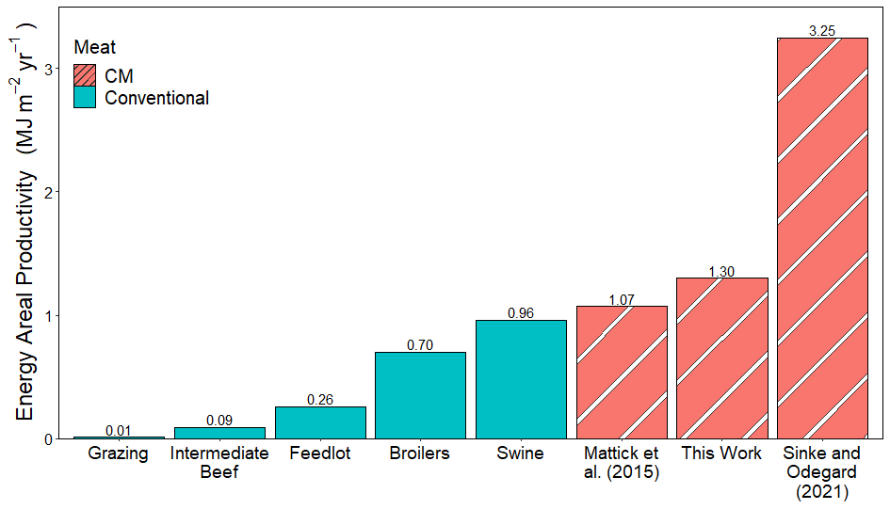
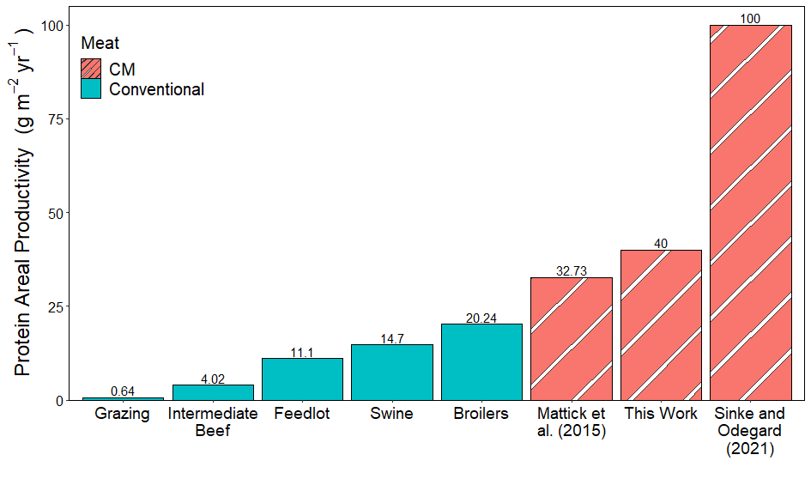
Variable | Value | Unit | Comment
Soybean Land Use | 2.31 | m2/kg meat | Protein page
Corn Land Use | 2.28 | m2/kg meat | calorie page
Combined Land Use | 4.58 | m2/kg meat | sum above

Wet meat protein content | 0.18 | kg protein in meat/kg meat | Humbird (2020)
Meat calorie content | 1.40 | kcal/g meat | Humbird (2020)
kcal --> MJ | 0.0042 | MJ/kcal | conversion
kilo* | 1000 | g/kg | conversion
Protein Areal Productivity | 39.26 | g protein / m2
Calorie Areal Productivity | 1.28 | MJ/m2

Mattick CM
Mattick Land Use | 5.50 | m2/kg meat | Mattick et al. (2015)
Wet meat protein content | 0.18 | kg protein in meat/kg meat | Humbird (2020)
Meat calorie content | 1.40 | kcal/g meat | Humbird (2020)
kcal --> MJ | 0.0042 | MJ/kcal | conversion
Protein Areal Productivity | 32.73 | g protein / m2
Calorie Areal Productivity | 1.07 | MJ/m2

Sinke and Odegard
Sinke and Odegard Land Use | 1.80 | m2/kg meat | Sinke and Odegard (2021)
Wet meat protein content | 0.18 | kg protein in meat/kg meat | Humbird (2020)
Meat calorie content | 1.40 | kcal/g meat | Humbird (2020)
kcal --> MJ | 0.0042 | MJ/kcal | conversion
Protein Areal Productivity | 100.00 | g protein / m2
Calorie Areal Productivity | 3.25 | MJ/m2

Table 1
reactor size | 20 | m3
Initial in final reactor | 482 | kg | wet
Final mass in final reactor | 1849 | kg | wet
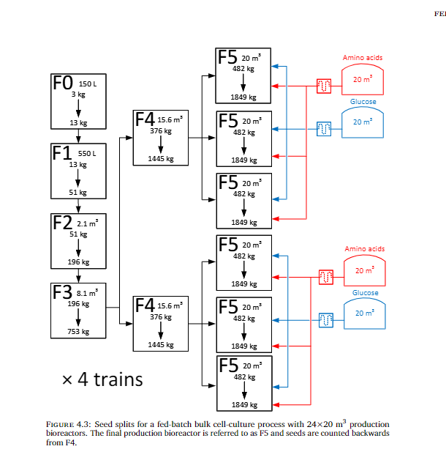
Humbird Densities
Initial Density | 24.1 | kg/m3
Final Density | 92.45 | kg/m3

wet cell mass | 3000 | pg
 | 1E-12 | pg-->g
 | 0.000000003 | g
 | 1000 | g-->kg
 | 3E-12 | kg

Initial Density | 8.0333333333E+12 | cells/m3
 | 1.00E+06 | ml-->m3
Initial Density | 8.03E+06 | cells/mL

Final Density | 3.0816666667E+13 | cells/m3
Final Density | 3.08E+07 | ml-->m3

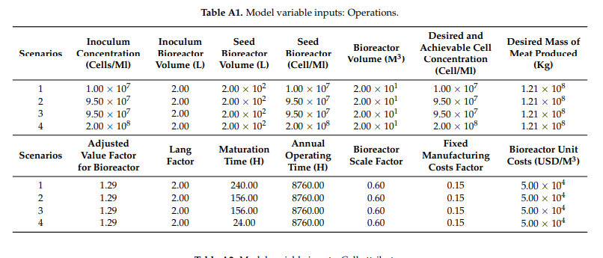
Risner
Bioreactor volume | 20 | m3
Seed concentrations
1 | 1.00E+07 | cells/ml
2 | 9.50E+07 | cells/ml
3 | 9.50E+07 | cells/ml
4 | 2.00E+08 | cells/ml
Seed reactor volume | 2.00E+02 | L
Initial cell concentation
1 | 1.00E+05 | cells/ml
2 | 9.50E+05
3 | 9.50E+05
4 | 2.00E+06
Maturation time Calcs
1 - Doubling Time | 24 | h
2 - Doubling Time | 16 | h
3 - Doubling Time | 16 | h
4 - Doubling Time | 8 | h
1- Growth phase time | 159.45 | h
2- Growth phase time | 106.30 | h
3- Growth phase time | 106.30 | h
4- Growth phase time | 53.15 | h

Specht
Concentration | 4.00E+07 | cells/mL
Production | 3524 | kg/batch
Volume | 2.00E+07
Cells at end of batch | 8.00E+14
 | 4.40E-12 | kg/cell
 | 4.40E-09 | g/cell

